README
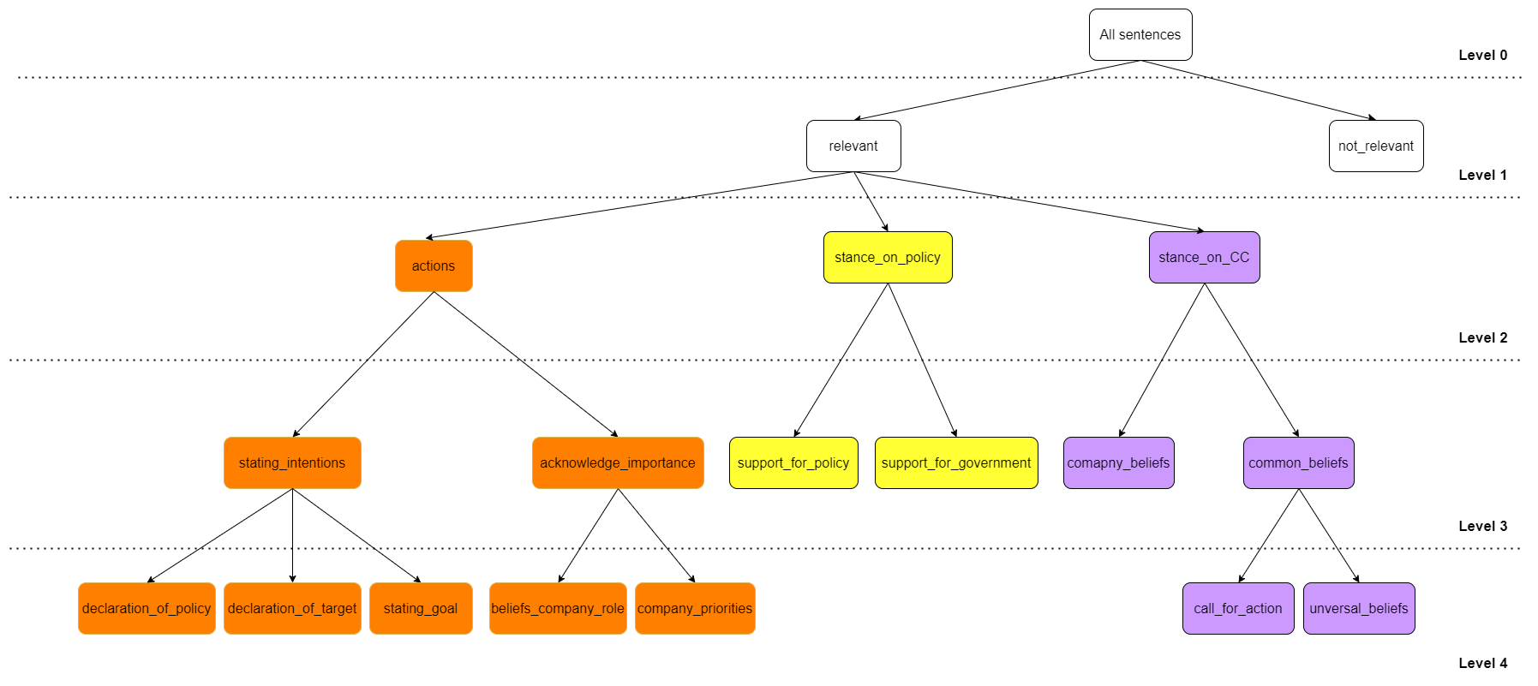
The "data" sheet contains all the data that was used to create the codes inductively and that was used to create the final classification tree. The data is labeled according to these two trees. The original tree can be seen in Figure 1 and the final tree can be seen in Figure 2. The descriptions of the labels are presented in the "labels definitions and examples" sheet. Moreover, the data also presents the labels according to the final tree.

 | Figure 1. The original tree

 | Figure 2. The final tree.

